box_plot_all_costs
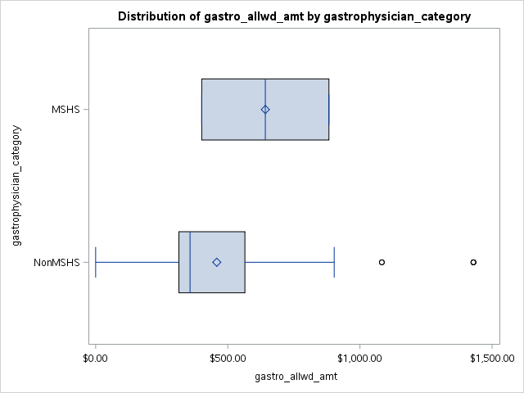
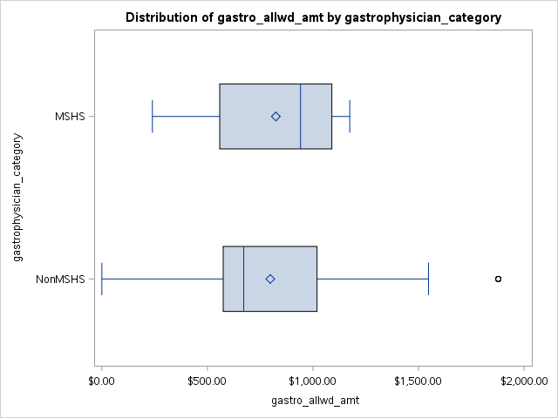
Diagnostic |  | Therapeutic
Anethesia Allowed Amount

Box Plot anesth diagnostic and setting Amb. Surg. Center | Box Plot anesth therapeutic and setting Amb. Surg. Center

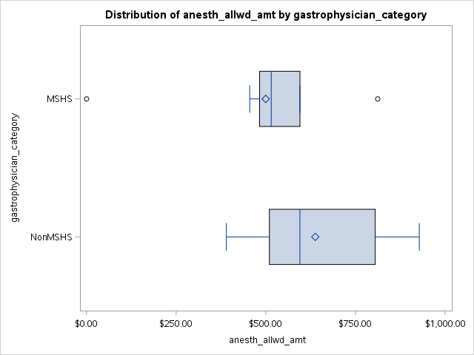
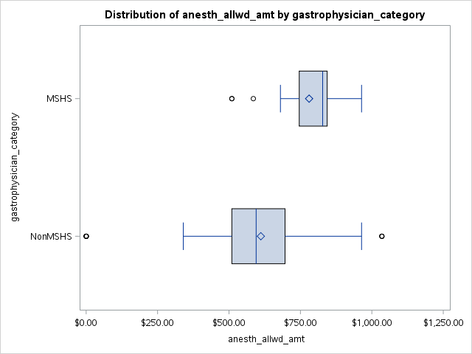

Box Plot anesth diagnostic and setting Hosp. Outpatient | Box Plot anesth therapeutic and setting Hosp. Outpatient

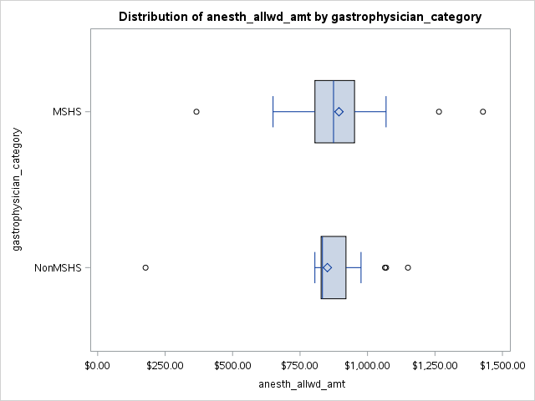
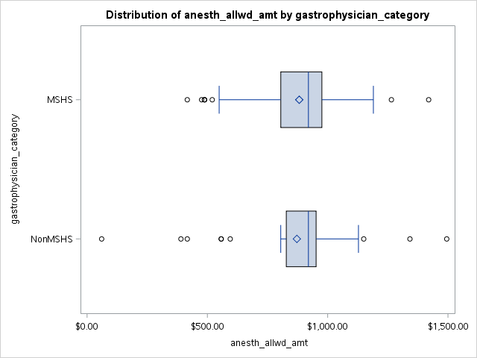

Box Plot anesth diagnostic and setting Office | Box Plot anesth therapeutic and setting Office
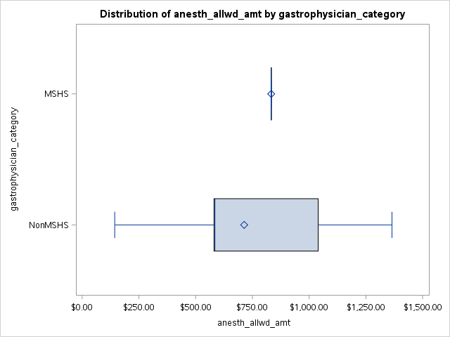
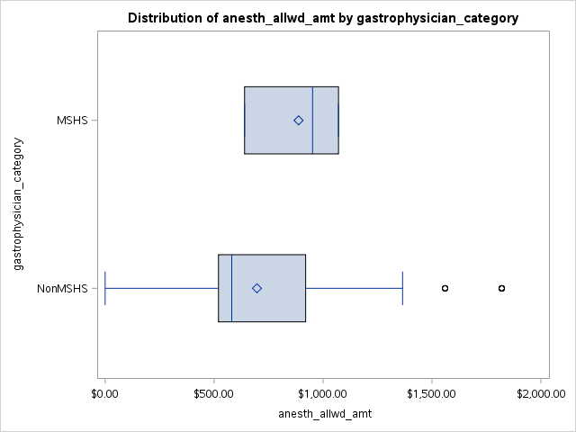

Episode Allowed Amount

Box Plot episode diagnostic and setting Amb. Surg. Center | Box Plot episode therapeutic and setting Amb. Surg. Center

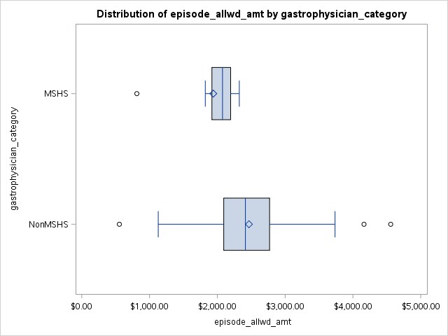
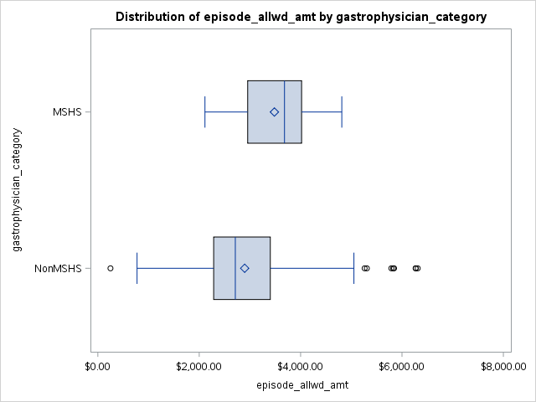

Box Plot episode diagnostic and setting Hosp. Outpatient | Box Plot episode therapeutic and setting Hosp. Outpatient
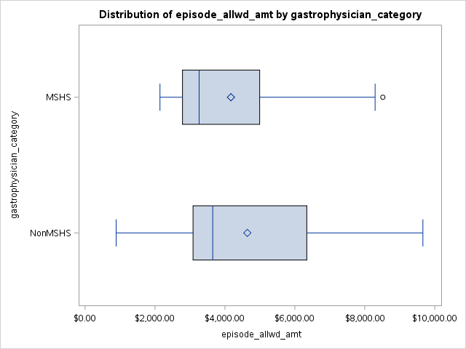
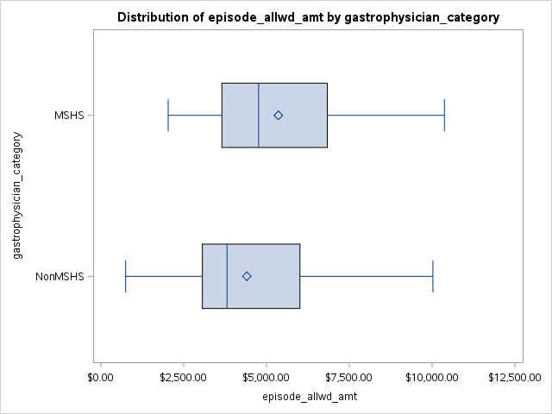

Box Plot episode diagnostic and setting Office | Box Plot episode therapeutic and setting Office

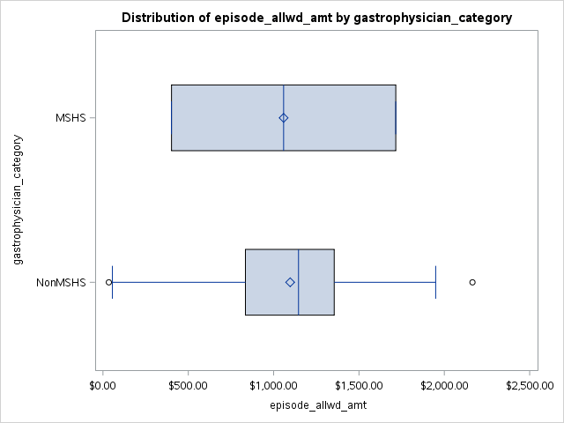
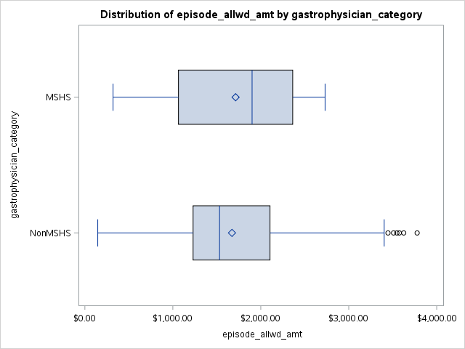

Facility Allowed Amount
Box Plot facility diagnostic and setting Amb. Surg. Center | Box Plot facility therapeutic and setting Amb. Surg. Center
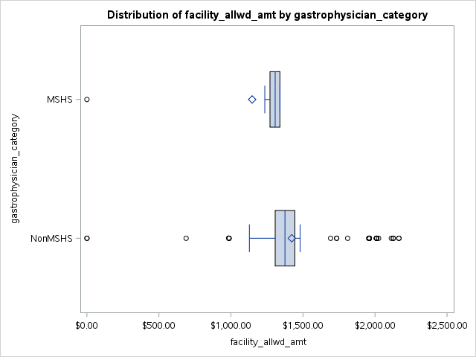
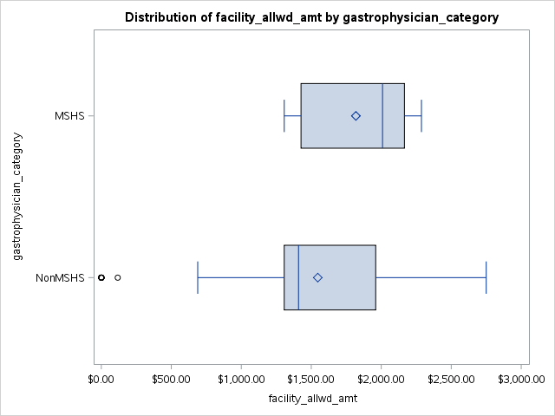

Box Plot facility diagnostic and setting Hosp. Outpatient | Box Plot facility therapeutic and setting Hosp. Outpatient

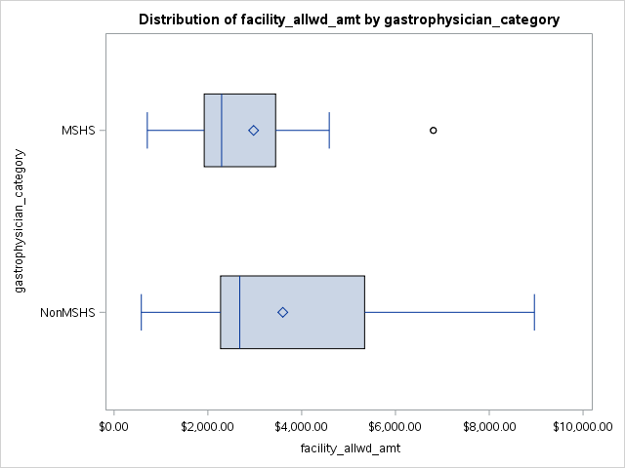
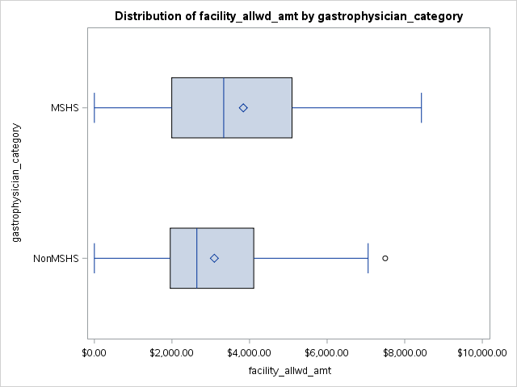

Gastro Physician Allowed Amount

Box Plot gastro diagnostic and setting Amb. Surg. Center | Box Plot gastro therapeutic and setting Amb. Surg. Center
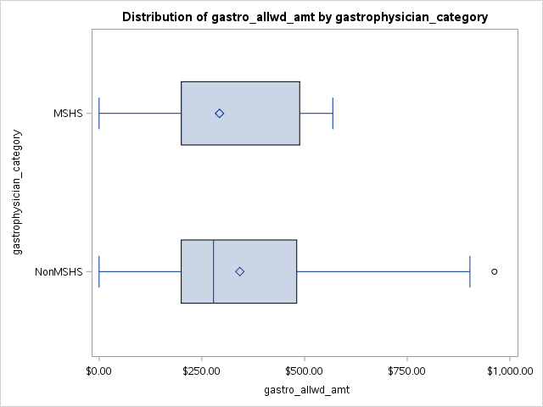
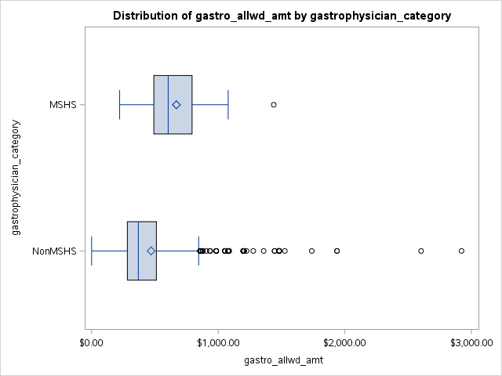

Box Plot gastro diagnostic and setting Hosp. Outpatient | Box Plot gastro therapeutic and setting Hosp. Outpatient

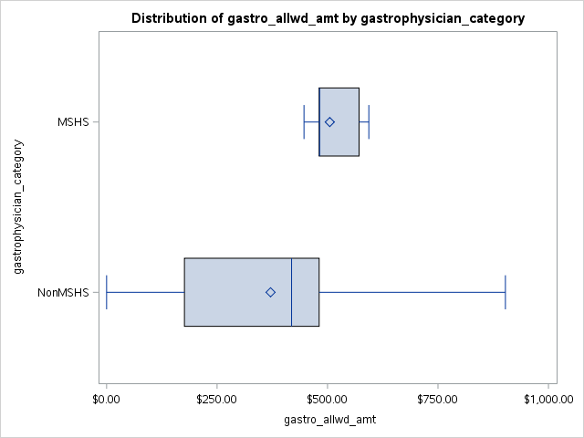
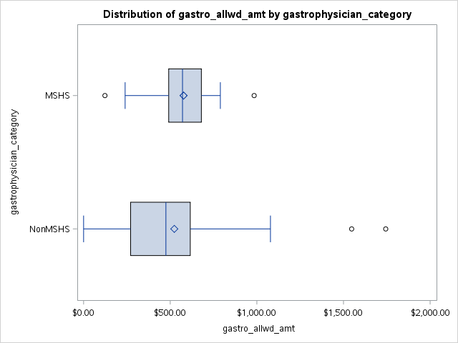

Box Plot gastro diagnostic and setting Office | Box Plot gastro therapeutic and setting Office

percentile_plots_cap
Plot of percentiles - diagnostic

setting=Amb. Surg. Center
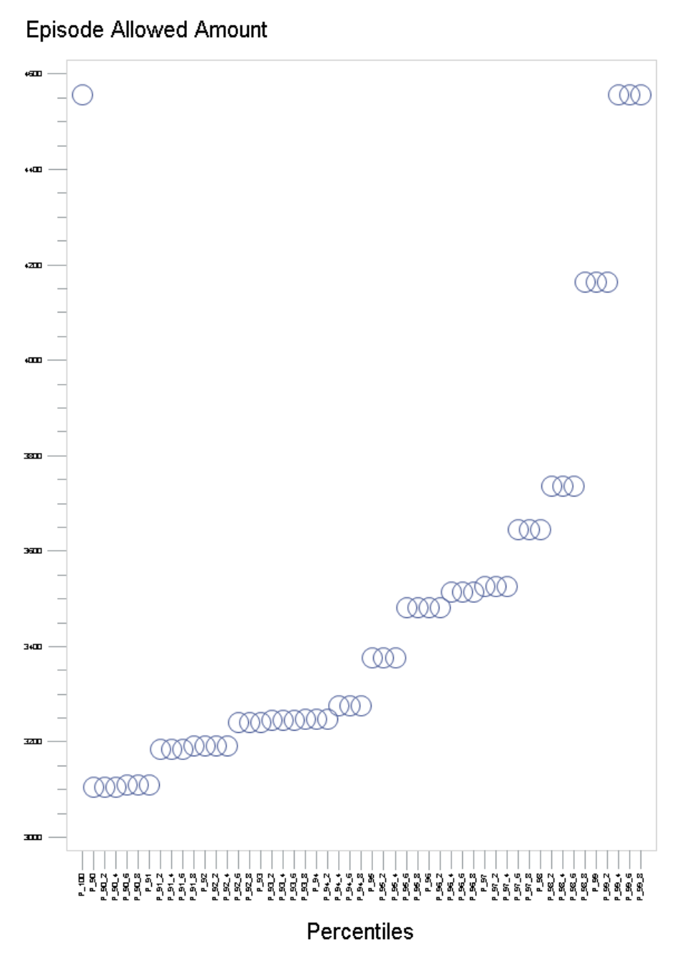

98.6

Plot of percentiles - diagnostic

setting=Hosp. Outpatient

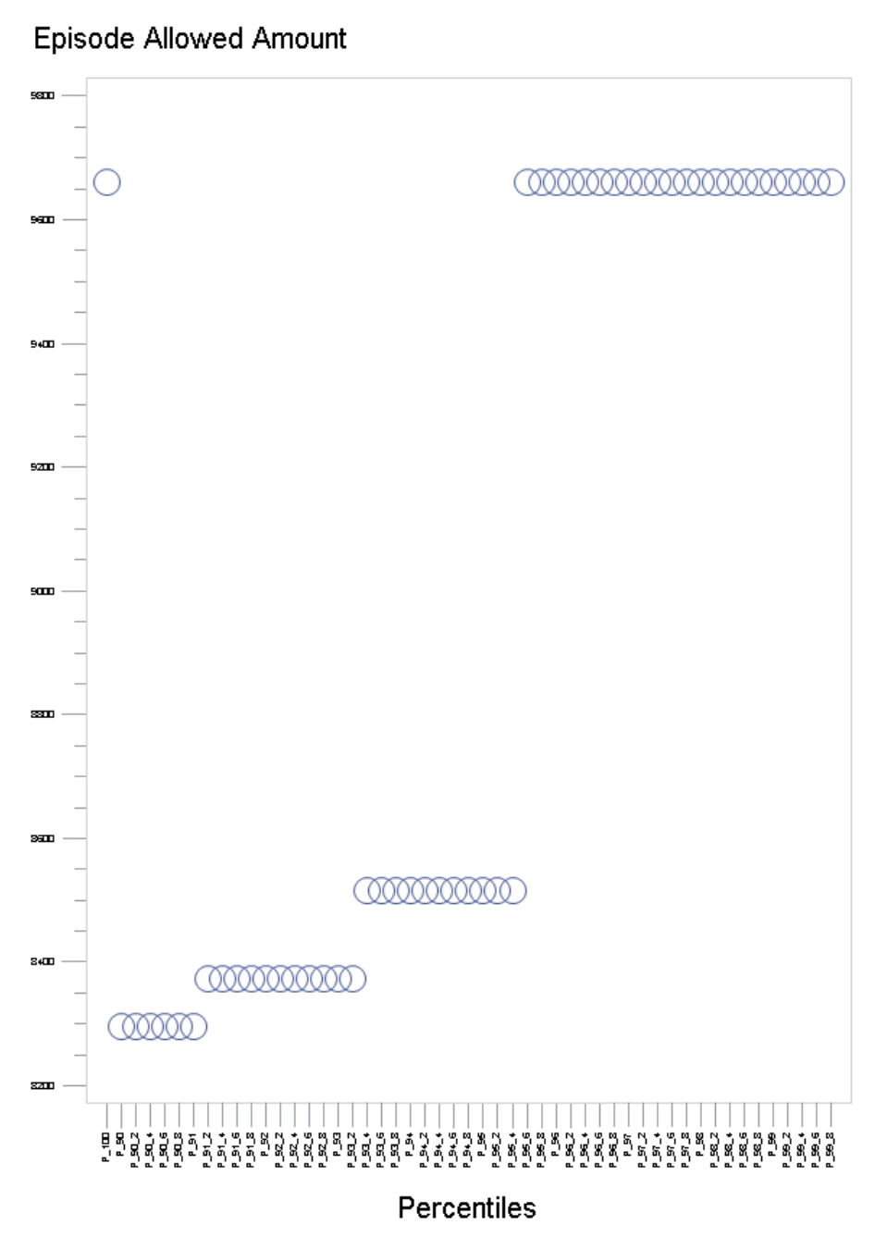

95.5

Plot of percentiles - diagnostic

setting=Office

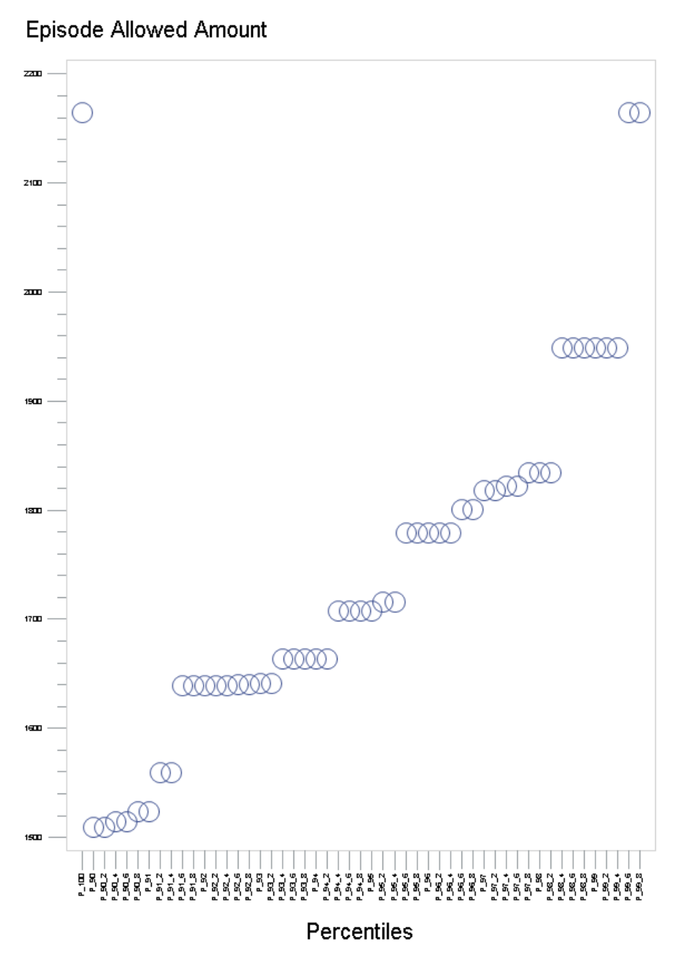

98.2

Plot of percentiles - therapeutic

setting=Amb. Surg. Center

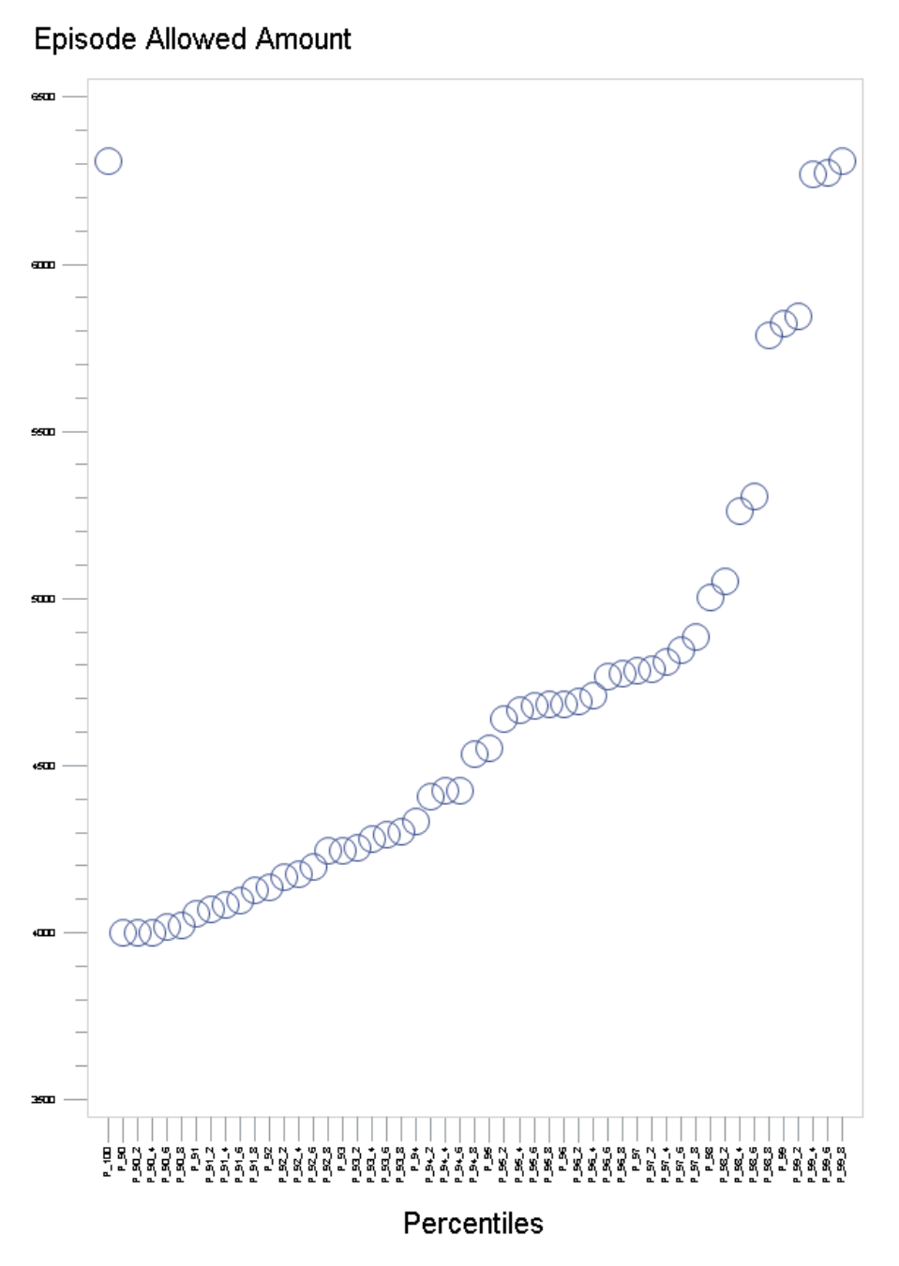

98.2

Plot of percentiles - therapeutic

setting=Hosp. Outpatient

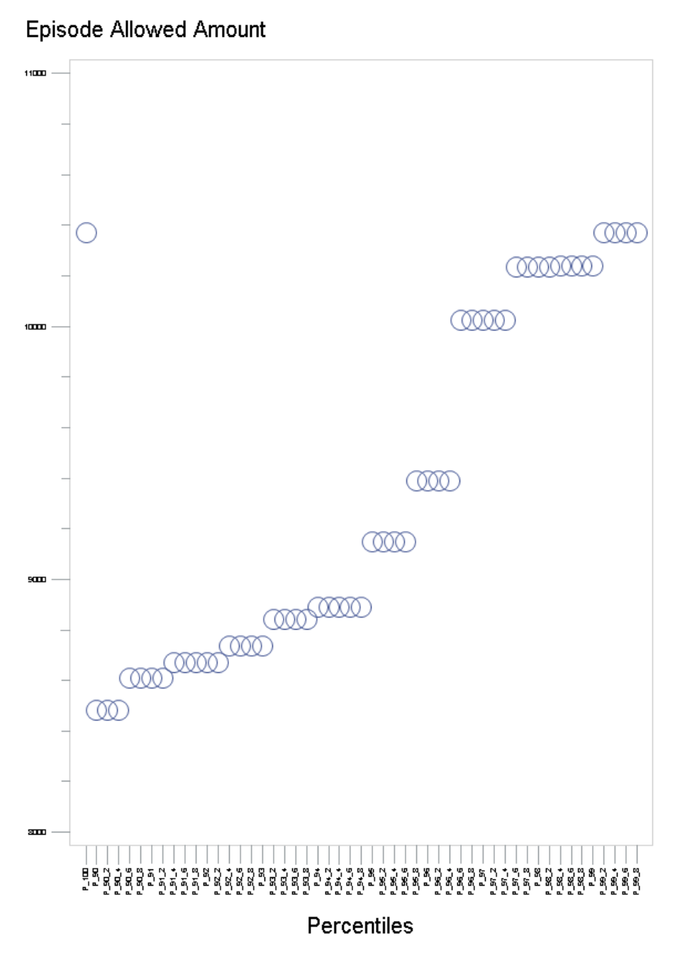

96.5

Plot of percentiles - therapeutic

setting=Office

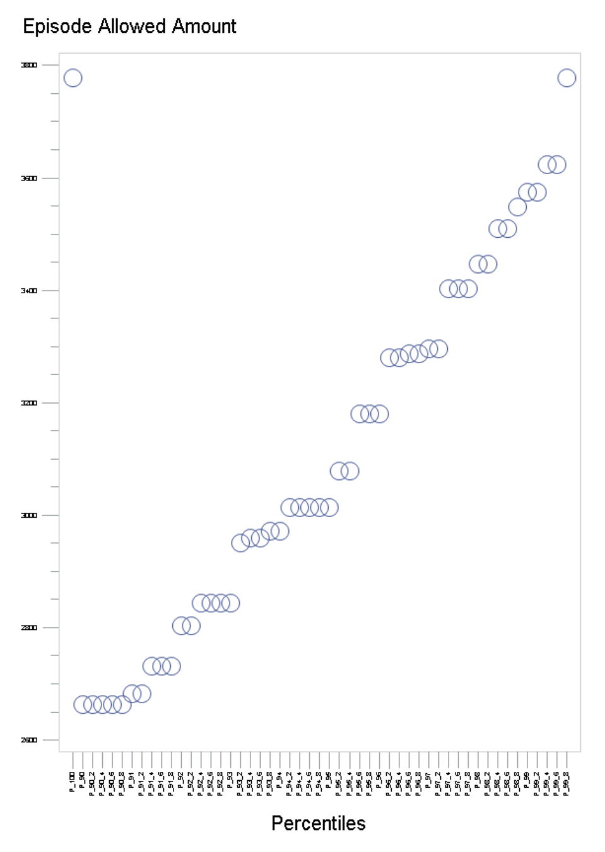
99.6

cluster_plots
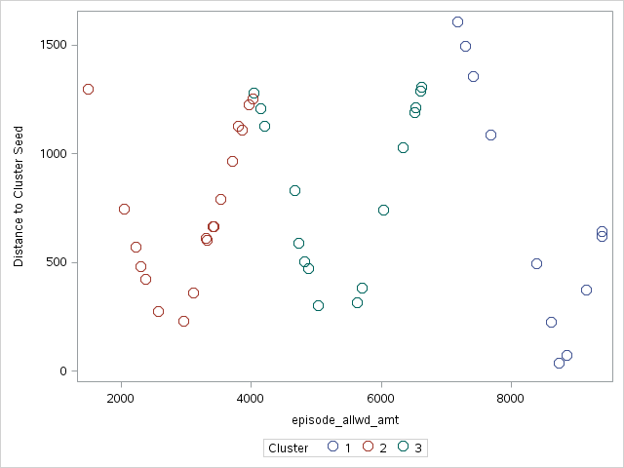
Plot of Distance*Episode Amt (Cap) - diag | Office

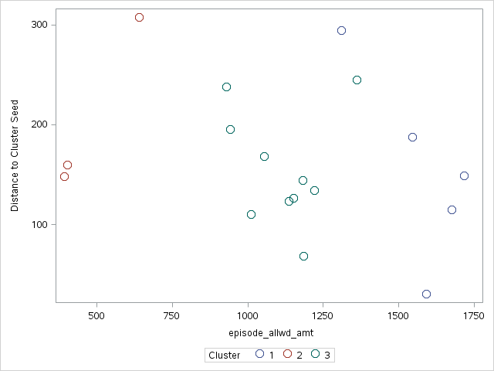

Plot of Distance*Episode Amt (Cap) - diag | Amb. Surg. Center

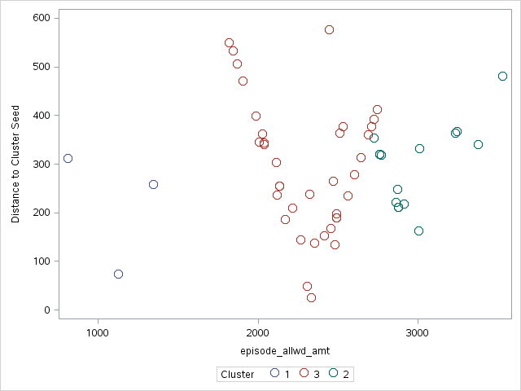

Plot of Distance*Episode Amt (Cap) - diag | Hosp. Outpatient
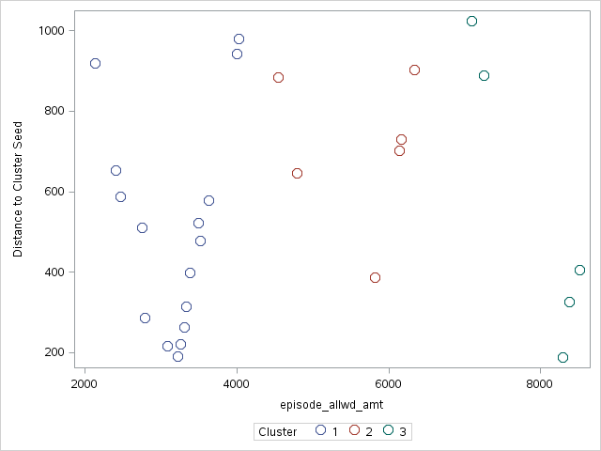

Plot of Distance*Episode Amt (Cap) - thera | Office

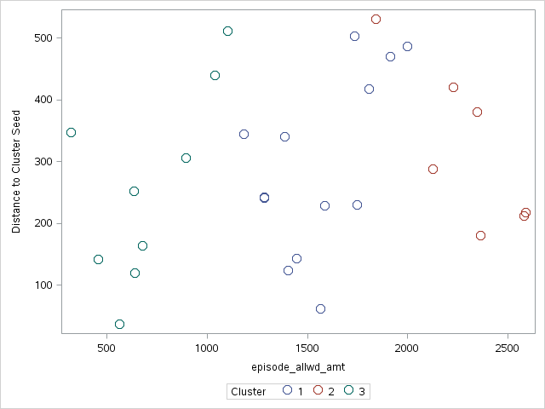

Plot of Distance*Episode Amt (Cap) - thera | Amb. Surg. Center
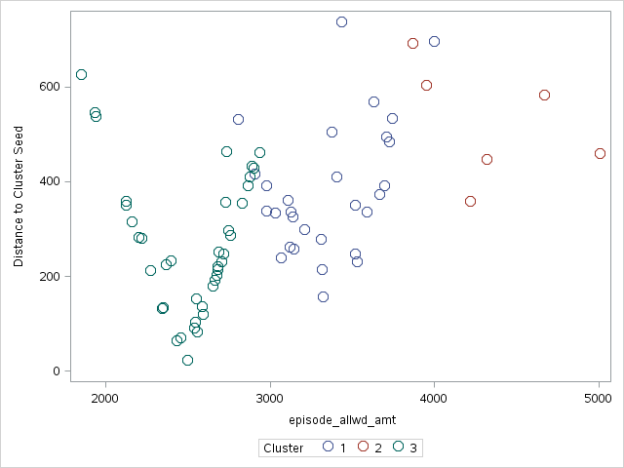

Plot of Distance*Episode Amt (Cap) - thera | Hosp. Outpatient

